Segment Wise Performance
Segment | Revenue 2023-24 (₹ Cr) | Revenue 2022-23 (₹ Cr) | EBIT 2023-24 (₹ Cr) | EBIT 2022-23 (₹ Cr)
Oil to Chemicals (O2C) | 564,749 | 594,650 | 53,617 | 53,883
Oil & Gas | 24,439 | 16,508 | 14,831 | 10,933
Retail | 306,848 | 260,394 | 17,498 | 13,994
Digital Services | 132,938 | 119,791 | 33,124 | 29,681
Others | 80,516 | 88,455 | 1,387 | 1,045
Unallocated | - | - | -2,187 | -6,516
Total | 1,000,122 | 974,864 | 118,270 | 103,020
Segment Wise Performance

Geographical Revenue
Geographical Revenue Breakdown
Region | Revenue 2023-24 (₹ Cr) | Revenue 2022-23 (₹ Cr)
India | 649,864 | 579,087
International | 350,258 | 395,777
Total | 1,000,122 | 974,864

Geographical Revenue Breakdown

Ratio Analysis
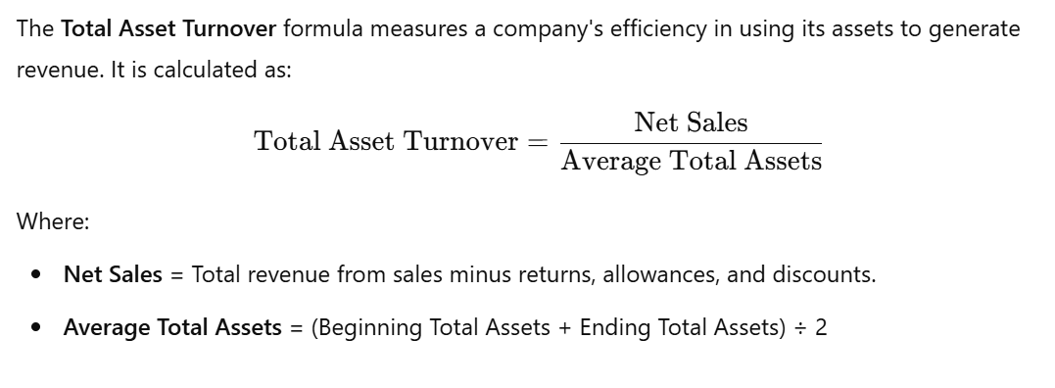
1. Profitability Ratios
Gross Profit Margin = (Gross Profit / Revenue) × 100
Operating Profit Margin = (EBIT / Revenue) × 100
Net Profit Margin = (Net Profit / Revenue) × 100
Return on Assets (ROA) = (Net Profit / Total Assets) × 100
Return on Equity (ROE) = (Net Profit / Shareholder’s Equity) × 100
2. Liquidity Ratios
Current Ratio = Current Assets / Current Liabilities
Quick Ratio = (Current Assets - Inventories) / Current Liabilities
3. Leverage Ratios
Debt-to-Equity Ratio = Total Debt / Shareholder’s Equity
Interest Coverage Ratio = EBIT / Interest Expense
4. Efficiency Ratios
Asset Turnover Ratio = Revenue / Total Assets
Inventory Turnover Ratio = Cost of Goods Sold / Average Inventory

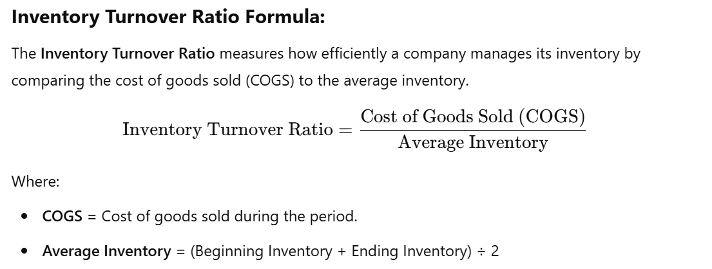

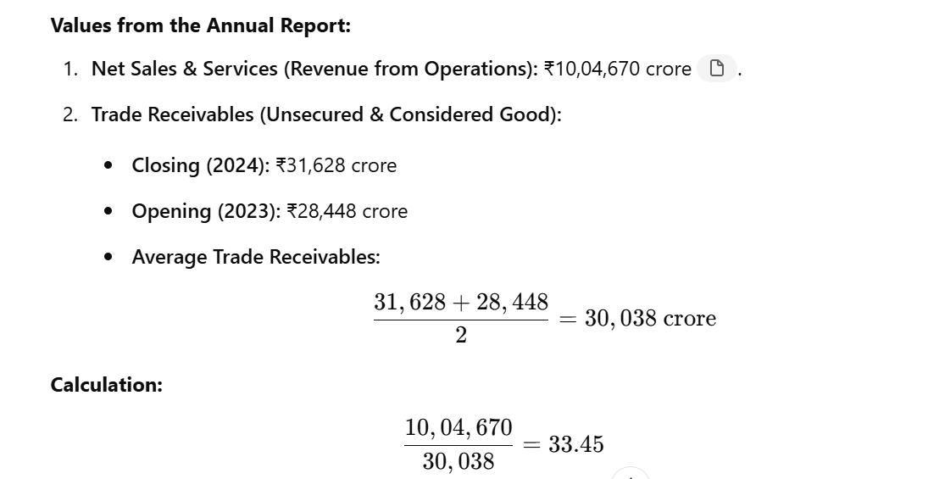

OCI Contains Non-Operational & Market-Driven Adjustments
OCI consists of items that are NOT part of the company’s ongoing profitability, such as:
🔹 Unrealized gains/losses on financial assets (e.g., stocks, bonds)
🔹 Foreign currency translation adjustments (FX fluctuations)
🔹 Revaluation of pension plans
🔹 Cash flow hedge adjustments
Since these are not controlled by management or part of business operations, they are excluded from Net Worth for ROE calculations.

ROE Reflects Shareholder Value Creation from Real Earnings
Shareholders invest based on retained earnings and business-generated equity.
If OCI were included, ROE would become volatile due to temporary market changes.
Example: If the stock market crashes and OCI shows a big loss, ROE would artificially decrease, even if the company’s core business is performing well.
Regulatory and Accounting Standards (IFRS, GAAP, Ind-AS)
OCI is a separate component in financial statements and does not affect net income.
Ind-AS & IFRS recommend that OCI should not be used for performance metrics like ROE.
GAAP accounting also suggests reporting OCI separately from equity reserves used for ROE calculations.
5. OCI Can Be Reversed and Does Not Always Convert to Real Profit
Unlike retained earnings, OCI can fluctuate or even be reversed. For example:
A company may have unrealized bond gains recorded in OCI this year.
Next year, if bond prices fall, those gains will disappear.
This shows that OCI does not truly reflect long-term net worth.
Thus, only realized profits and retained earnings are used in ROE.
Conclusion: Why OCI is Excluded from Net Worth in ROE?
✅ ROE measures how effectively a company generates profits from shareholder equity. ✅ OCI represents unrealized gains/losses, not actual retained earnings or reserves. ✅ If OCI were included, ROE would fluctuate due to market-driven changes unrelated to business performance. ✅ Accounting standards (IFRS, Ind-AS, GAAP) require OCI to be reported separately and NOT included in performance metrics like ROE.

Example 1: Unrealized Gains/Losses on Market Investments
A company buys stocks or bonds as an investment.
By the end of the year, their market value increases by ₹5 crore.
The company has not sold the investments yet, so the gain is not included in net profit.
Instead, the ₹5 crore gain is recorded as OCI.
If the investment is later sold, the gain will be moved to net profit.
📌 Real-world analogy: You buy a house for ₹50 lakh. After one year, the market price increases to ₹60 lakh. Since you haven’t sold it, this is an unrealized gain, similar to OCI.

Example 4: Remeasurement of Pension Liabilities
A company has a pension plan for employees.
Every year, the value of pension obligations changes due to interest rates or market conditions.
If pension obligations increase, the company has a loss.
Since the loss is not from business operations, it is recorded in OCI.
📌 Real-world analogy: If you have a retirement fund and the stock market drops, your retirement savings lose value, but you haven't withdrawn the money yet.

EPS
EPS and Diluted EPS Formula:
Basic EPS = (Net Profit attributable to equity shareholders) ÷ (Weighted average number of equity shares)
Diluted EPS = (Net Profit attributable to equity shareholders) ÷ (Weighted average number of equity shares including potential shares)

Key Information for EPS Calculation:
For Continuing Operations:
Net Profit (After Tax) for continuing operations attributable to equity shareholders (in ₹ crore):
FY | Rs Crores
Key Adjustments for Diluted EPS:
Total weighted average potential equity shares (including stock options and partly paid shares):
2023-24: 4,29,870 shares
2022-23: 6,04,799 shares
This adjustment includes the impact of employee stock option schemes and partly paid rights issue shares.
2023-24 | 69,621 | 69621
2022-23 | 66,284 | 66824

Weighted Average Number of Shares (Basic):

2023-24 | 6,765,810,816 |  | 10,000,000 | 676.58
2022-23 | 6,765,550,967 |  | 10,000,000 | 676.56

Weighted Average Number of Shares (Diluted):

2023-24 | 6,766,240,686 |  | 10,000,000 | 676.62
2022-23 | 6,766,155,766 |  | 10,000,000 | 676.62
 |  |  |  | 2023-24 | 2022-23
EPS (Basic): ₹ 102.90 (2023-24), ₹ 97.97 (2022-23) |  |  |  | 102.90 | 97.96
EPS (Diluted): ₹ 102.90 (2023-24), ₹ 97.97 (2022-23) |  |  |  | 102.91 | 97.96

Sales & Profit
Particulars | Mar 2013 | Mar 2014 | Mar 2015 | Mar 2016 | Mar 2017 | Mar 2018 | Mar 2019 | Mar 2020 | Mar 2021 | Mar 2022 | Mar 2023 | TTM | Growth
Sales | 395,957 | 433,521 | 374,372 | 272,583 | 303,954 | 390,823 | 568,337 | 596,679 | 466,307 | 694,673 | 876,396 | 867,612 | )
Net Profit | 20,886 | 22,548 | 23,640 | 29,861 | 29,833 | 36,080 | 39,837 | 39,880 | 53,739 | 67,845 | 74,088 | 72,903 | #REF!

Sales and Net Profit Chart
 | Sales | Expenses | EBIDTA/Operating Profit | OPM % | Depreciation | EBIT | Interest | Exceptional items | Other income normal | Other income | Profit before tax | Tax %
Mar 2013 | 395,957
Mar 2014 | 433,521
Mar 2015 | 374,372
Mar 2016 | 272,583
Mar 2017 | 303,954
Mar 2018 | 390,823
Mar 2019 | 568,337
Mar 2020 | 596,679
Mar 2021 | 466,307
Mar 2022 | 694,673
Mar 2023 | 876,396

Key Ratios | 2013 | 2014 | 2015 | 2016 | 2017 | 2018 | 2019 | 2020 | 2021 | 2022 | 2023
Debt-Equity Ratio | 0.59 | 0.70 | 0.77 | 0.84 | 0.82 | 0.82 | 0.79 | 0.79 | 0.40 | 0.41 | 0.63
Interest Coverage Ratio | 6.33 | 6.19 | 7.81 | 8.19 | 9.01 | 5.91 | 3.84 | 3.04 | 2.56 | 5.40 | 5.21

Debt-Equity Ratio & ICR

ROE
Key Ratios | 2013 | 2014 | 2015 | 2016 | 2017 | 2018 | 2019 | 2020 | 2021 | 2022 | 2023
ROE (%) | #REF! | 0.0% | 0.0% | 0.0% | 0.0% | 0.0% | 0.0% | 0.0% | 0.0% | 0.0% | 0.0%

 | Debt-Equity Ratio | Interest Coverage Ratio | EBIDTA (%) | EBIT (%) | Total Assets Turnover Ratio | Current Ratio | Inventory Turnover Ratio | Inventory days | Debtors turnover ratio | Receivable days outstanding | PAT (%) | ROCE (%)
2013
2014
2015
2016
2017
2018
2019
2020
2021
2022
2023

ICR
Finance >>Key Financial Ratios
Years | 2012 | 2013 | 2014 | 2015 | 2016 | 2017 | 2018 | 2019 | 2020 | 2021 | 2022 | 2023 | Sep-23
Interest Coverage Ratio | 9.32 | 8.09 | 7.88 | 9.88 | 11.50 | 11.43 | 7.16 | 4.35 | 3.65 | 3.35 | 6.45 | 5.81 | 5.34

EPS
Key Ratios | 2012 | 2013 | 2014 | 2015 | 2016 | 2017 | 2018 | 2019 | 2020 | 2021 | 2022 | 2023
EPS | #REF! | 5331.0 | 6215.0 | 7474.0 | 8876.0 | 10201.0 | 13346.0 | 15390.0 | 13726.0 | 1722.0 | 15970.0 | 20376.0

 | Debt-Equity Ratio | Interest Coverage Ratio | EBIDTA (%) | EBIT (%) | Total Assets Turnover Ratio | Current Ratio | Inventory Turnover Ratio | Inventory days | Debtors turnover ratio | Receivable days outstanding | PAT (%) | ROCE (%)
2012
2013
2014
2015
2016
2017
2018
2019
2020
2021
2022
2023

Average EPS Growth of 11%

